Sheet1
 | Document No. |  | Issue No. | Issue Date |  |  | Review and Replace Date |  | Authorised By
 | GFF401MC |  | 2 | 16.08.2023 |  |  | 27.01.2026 |  | Magda Shah
 | Document Title |  | DUCK SPRING ROLLS (COOK) 200G
Document amendments reason for change | Allergen updated-TYJ Pastry |  |  | Page 1 of 1 |  | Previous Issue Date |  | 16.08.2023 | Uncontrolled copy unless signed original

FDSRM1-R8TCO |  | COOK | DUCK SPRING ROLLS (COOK) 200G | FROZEN

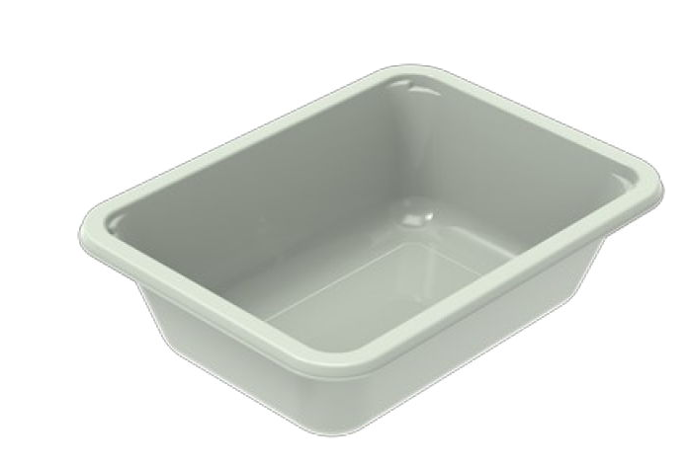  

PROCESS TO FOLLOW:
- Pack 4 Duck Spring Rolls CHILLED in correct tray (NO GAS)
- Send to sleeving for sleeves & BB date application
- Once sleeves applied, product to be placed in a cage and sent to Blast Freezer - Dispatch for freezing

4
pieces

Tray: EVOLVE CPET 2171-1F FROST (PKRHP001-14) |  |  |  |  | 4 x Duck Spring Rolls (Cook) (GFF452R) 50g
Film: K Peel 3G 25µm (275mmX1000lm)(PKKMP001-04) |  |  |  |  | Total Weight: 200g
ALLERGY ALERT: WHEAT, SESAME, SOYA

